Stock
Barcode | Description | Units | Product Picture | Description | RRP | Line RRP
 |  |  | USB CABLES
700315536491 | Salkin Pro iPhone Cable | 4578 | 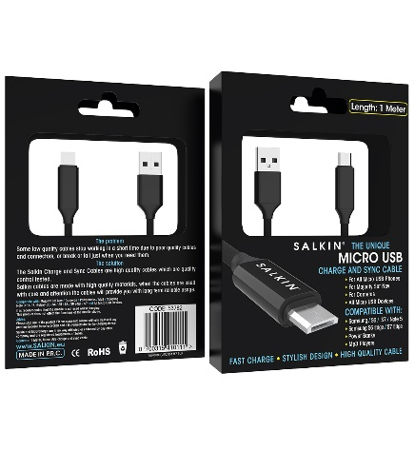 | Lightning Cable with Stylish Design 1.Compatible with iPhones / iPads / iPods and All Lightning Devices 2.Fast Charge and Sync 3.High Quality Charging Connector 4.Strong, Durable and Thick Cable 5.High Quality Braided Cable 6.Aluminium Connector and USB Head 7.Pure Copper Wires inside Heavy Duty Cable 8.CE Certified 9.Quality Control Tested 10.Available in Black Colour | £9.99 | £45,734.22
754311502349 | Salkin Pro Type C USB Cable | 30598 |  | Type - C Cable with Stylish Design 1.Compatible with Samsung S8 / S9 / S10 / S20 and all Type - C devices 2.Fast Charge and Sync 3.High Quality Charging Connector 4.Strong, Durable and Thick Cable 5.High Quality Braided Cable 6.Aluminium Connector and USB Head 7.Pure Copper Wires inside Heavy Duty Cable 8.CE Certified 9.Quality Control Tested 10.Available in Black Colour | £9.99 | £305,674.02
700315410111 | Salkin Pro Micro USB Cable | 6216 |  | 1.Compatible with Samsung and all Micro USB devices 2.Fast Charge and Sync 3.High Quality Charging Connector 4.Strong, Durable and Thick Cable 5.High Quality Plastic Cable 6.Pure Copper Wires inside Heavy Duty Cable 7.CE Certified 8.Quality Control Tested 9.Available in Black Colour | £9.99 | £62,097.84
700315410197 | Salkin Pro Reversible Micro USB | 21180 |  | Reversible Micro USB Cable with Stylish Design 1.Use any side to charge you Micro USB devices 2.Compatible with Samsung and all Micro USB devices 3.Fast Charge and Sync 4.High Quality Charging Connector 5.Strong, Durable and Thick Cable 6.High Quality Plastic Cable 7.Pure Copper Wires inside Heavy Duty Cable 8.CE Certified 9.Quality Control Tested 10.Available in Black Colour | £9.99 | £211,588.20
754311502264 | Salkin Pro 2 in 1 iPhone / Micro USB Cable | 15976 |  | 2 in 1 Cable with Stylish Design 1.A 2 in 1 Connector to Charge Lightning and Micro USB devices 2.Compatible with all Lightning and Micro USB devices 3.Fast Charge and Sync 4.High Quality Charging Connector 5.Strong, Durable and Thick Cable 6.High Quality Braided Cable 7.Aluminium Connector and USB Head 8.Pure Copper Wires inside Heavy Duty Cable 9.CE Certified 10.Quality Control Tested 11.Available in Black Colour | £9.99 | £159,600.24
5060356791316 | Salkin Pro 3 in 1 Cable | 4272 |  | 3 in 1 Cable with Stylish Design 1.Compatible with all Lightning, Type - C and Micro USB devices 2.Fast Charge 3.High Quality Charging Connector 4.Strong, Durable and Thick Cable 5.High Quality Braided Cable 6.Aluminium Connector and USB Head 7.Pure Copper Wires inside Heavy Duty Cable 8.CE Certified 9.Quality Control Tested 10.Available in Black Colour | £9.99 | £42,677.28
700315536491 | Salkin Pro iPhone Cable with Silver Ring | 1875 | 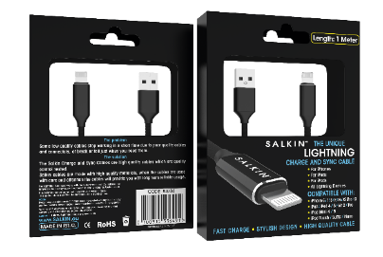 | Lightning Cable with Stylish Design 1.Compatible with iPhones / iPads / iPods and All Lightning Devices 2.Fast Charge and Sync 3.High Quality Charging Connector 4.Strong, Durable and Thick Cable 5.High Quality Nylon Braided Cable 6.Aluminium Connector and USB Head 7.Pure Copper Wires inside Heavy Duty Cable 8.CE Certified 9.Quality Control Tested 10.Available in Black Colour | £10.99 | £20,606.25
754311502349 | Salkin Pro Type C USB Cable with Silver Ring | 2026 |  | Type - C Cable with Stylish Design 1.Compatible with Samsung S8 / S9 / S10 / S20 and all Type - C devices 2.Fast Charge and Sync 3.High Quality Charging Connector 4.Strong, Durable and Thick Cable 5.High Quality Nylon Braided Cable 6.Aluminium Connector and USB Head 7.Pure Copper Wires inside Heavy Duty Cable 8.CE Certified 9.Quality Control Tested 10.Available in Black Colour | £10.99 | £22,265.74
754311502264 | Salkin Pro 2 in 1 iPhone / Micro USB Cable with Silver Ring | 864 |  | 2 in 1 Cable with Stylish Design 1.A 2 in 1 Connector to Charge Lightning and Micro USB devices 2.Compatible with all Lightning and Micro USB devices 3.Fast Charge and Sync 4.High Quality Charging Connector 5.Strong, Durable and Thick Cable 6.High Quality Nylon Braided Cable 7.Aluminium Connector and USB Head 8.Pure Copper Wires inside Heavy Duty Cable 9.CE Certified 10.Quality Control Tested 11.Available in Black Colour | £10.99 | £9,495.36
700315410111 | Salkin Pro Micro USB Cable with Silver Ring | 2580 |  | 1.Compatible with Samsung and all Micro USB devices 2.Fast Charge and Sync 3.High Quality Charging Connector 4.Strong, Durable and Thick Cable 6.High Quality Nylon Braided Cable 6.Pure Copper Wires inside Heavy Duty Cable 7.CE Certified 8.Quality Control Tested 9.Available in Black Colour | £10.99 | £28,354.20
5060668583791 | Antibacterial Range 01 Salkin Pro Lightning Cable | 9792 | 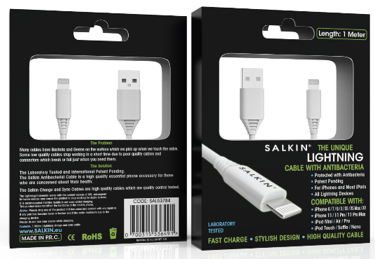 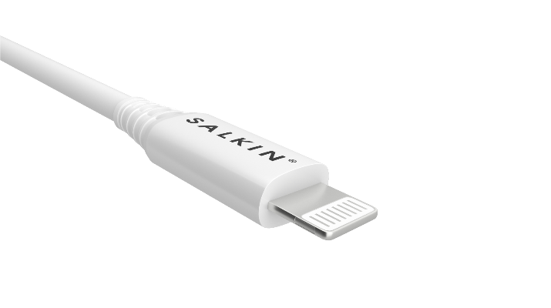 | •Antibacterial Protection •The Laboratory Tested, Patent Pending •For Lightning devices •Fast charging and sync •High Quality Charging Connector •Strong, Durable and Thick Cable •High Quality Plastic Cable •Pure Copper Wires inside Heavy Duty Cable •CE, ROHS and EMC Certified •Quality Control Tested •Compatible with iPhones / iPads / iPods and all Lightning devices | £12.99 | £127,198.08
5060668583814 | Antibacterial Range 01 Salkin Pro Type C Cable | 9936 |  | •Antibacterial Protection •The Laboratory Tested, Patent Pending •For Type C devices •Fast charging and sync •High Quality Charging Connector •Strong, Durable and Thick Cable •High Quality Plastic Cable •Pure Copper Wires inside Heavy Duty Cable •CE, ROHS and EMC Certified •Quality Control Tested •Compatible with Samsung S8/S8+/S9/S9+ and all USB Type- C devices | £12.99 | £129,068.64
5060668583852 | Antibacterial Range 01 Salkin Pro Type C to Type C Cable | 2736 |  | •Antibacterial Protection •The Laboratory Tested, Patent Pending •For Type C devices •Fast charging and sync •High Quality Charging Connector •Strong, Durable and Thick Cable •High Quality Plastic Cable •Pure Copper Wires inside Heavy Duty Cable •CE, ROHS and EMC Certified •Quality Control Tested •Compatible with Samsung S8 / S8+ / S9 / S9+ / S10 / S10+ / S20 / S20+ and all USB Type- C devices | £14.99 | £41,012.64
5060668583869 | Antibacterial Range 01 Salkin Pro Type C to Lightning Cable | 2880 |  | •Antibacterial Protection •The Laboratory Tested, Patent Pending •For Lightning devices •Fast charging and sync •High Quality Charging Connector •Strong, Durable and Thick Cable •High Quality Plastic Cable •Pure Copper Wires inside Heavy Duty Cable •CE, ROHS and EMC Certified •Quality Control Tested •Compatible with iPhones / iPads / iPods and all Lightning devices | £14.99 | £43,171.20
5060356794263 | Salkin Pro Audio Stereo Cable with Volume and Mic Gold | 1165 | 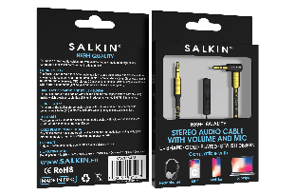 | 1.High quality audio cable 2.With mic and volume control 3.Excellent connectivity and distortion free sound 4.PF insulator 5.Dual layer braided and foil shield 6.Pure copper cable 7.Gold plated connector 8.Durable material 9.Easy to use | £9.99 | £11,638.35
 |  |  | ANTIBACTERIAL EARPHONES |  |  | £-
5060668583876 | Antibacterial Range 01 Salkin Pro iPhone Earphones White | 19872 | 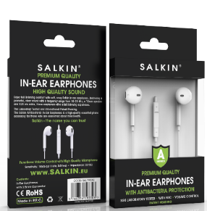 | 1.Antibacterial Protection 2.The Laboratory Tested, Patent Pending 1.High quality earphones 2.CE certified 3.High quality speaker and sound quality 4.With volume control and mic 5.1.2m lead length 6.Lightweight & ideal for travel 7.Easy to use | £11.99 | £238,265.28
 |  |  | SCREEN SHIELD |  |  | £-
5060356794089 | iPhone 11Pro / X / XS Salkin Pro Tempered Glass | 53493 |  | 1.Japanese tempered glass 2.Japanese glue 3.Oleophobic Japanese anti fingerprint oil 4.Easy to install 5.Clear visual quality 6.Anti-scratch 7.Rounded corners 8.Good touch sensitivity | £9.99 | £534,395.07
0754311502868 | iPhone 5, 5S and SE Salkin Pro Tampered Glass | 1266 |  |  | £9.99 | £12,647.34
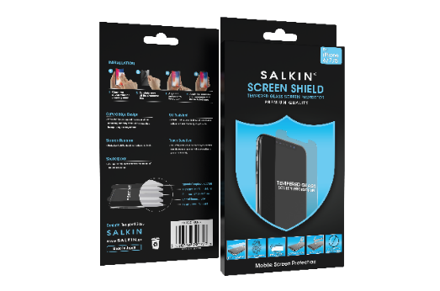
0754311502264 | iPhone 6 Salkin Pro 02875 Tampered Glass | 168 |  |  | £9.99 | £1,678.32
5060356790777 | iPhone 6/7/8 Salkin Pro Tempered Glass | 5147 |  |  | £9.99 | £51,418.53
5060356790760 | iPhone 6 Plus/7 Plus /8 Plus Salkin Pro Tempered Glass | 8562 |  |  | £9.99 | £85,534.38
5060356790814 | Samsung S7 Salkin Pro Tempered Glass | 140 |  |  | £9.99 | £1,398.60
5060356794096 | Samsung S6 / S7 Salkin Pro Tempered Glass | 26966 |  |  | £9.99 | £269,390.34
5060356794119 | Samsung S7 Edge Salkin Pro TPU Screen Guard | 504 |  |  | £9.99 | £5,034.96
5060356793822 | Samsung S8 Salkin Pro TPU Screen Guard | 96 |  |  | £9.99 | £959.04
5060356794126 | Samsung S8 Plus Salkin Pro TPU Screen Guard | 276 |  |  | £9.99 | £2,757.24
5060356794133 | Samsung Note 8 Salkin Pro TPU Screen Guard | 443 |  |  | £9.99 | £4,425.57
5060356790777 | iPhone 6 / 7 / 8 Salkin Pro Antibacterial Tempered Glass | 19032 | 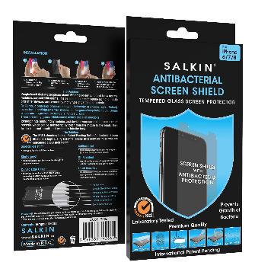 | 1.Antibacterial Protection 2.Japanese tempered glass 3.Japanese glue 4.Oleophobic Japanese anti fingerprint oil 5.Easy to install 6.Clear visual quality 7.Anti-scratch 8.Rounded corners 9.Good touch sensitivity | £14.99 | £285,289.68
5060356790760 | iPhone 6 Plus / 7 Plus / 8 Plus Salkin Pro Antibacterial Tempered Glass | 20518 |  |  | £14.99 | £307,564.82
5060356795949 | iPhone 6 7 8 Screen shield | 7439 |  | 1.Japanese tempered glass 2.Japanese glue 3.Oleophobic Japanese anti fingerprint oil 4.Easy to install 5.Clear visual quality 6.Anti-scratch 7.Rounded corners 8.Good touch sensitivity | £8.99 | £66,876.61
5060356795956 | iPhone 6+ 7+ 8+ Screen shield | 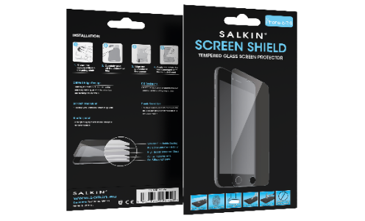 6360 |  |  | £8.99 | £57,176.40
5060668582626 | Antibacterial Range 01 Salkin Pro Screen shield iPhone 11 Pro / X / XS | 14850 | 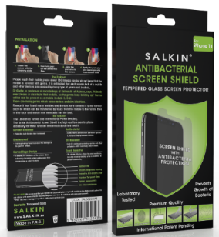 | 1.Antibacterial Protection 2.The Laboratory Tested, Patent Pending 3.Japanese tempered glass 4.Japanese glue 5.Oleophobic Japanese anti fingerprint oil 6.Easy to install 7.Clear visual quality 8.Anti-scratch 9.Rounded corners 10.Good touch sensitivity | £14.99 | £222,601.50
5060668582602 | Antibacterial Range 01 Salkin Pro Screen shield iPhone 678 | 14400 |  |  | £14.99 | £215,856.00
5060668582633 | Antibacterial Range 01 Salkin Pro Screen shield iPhone 11 / XR | 15000 |  |  | £14.99 | £224,850.00
5060356792467 | iPhone 6 Salkin Pro Armour Case | 16062 | 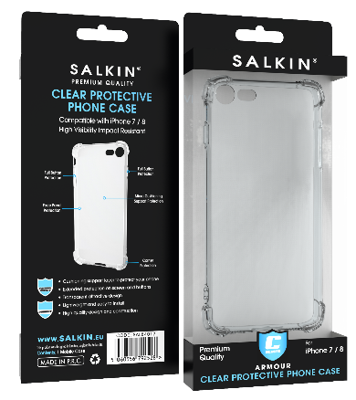 | 1.Available with and without antibacterial function 2.Cushioning support layer to protect the phone 3.Front, back and all 4 corners protection 4.Extended protection for screen and buttons 5.Transparent and attractive design 6.Precision cut outs for charger, camera and other buttons 7.Lightweight, ideal for travel 8.High quality material 9.Easy to install | £6.99 | £112,273.38
5060356792528 | iPhone 7 / 8 Salkin Pro Armour Case | 23732 |  |  | £6.99 | £165,886.68
5060356792559 | iPhone 7 Plus / 8 Plus Salkin Pro Armour Case | 22574 |  |  | £6.99 | £157,792.26
5060356794140 | iPhone X /XS Salkin Pro Armour Case | 30592 |  |  | £6.99 | £213,838.08
5060356792641 | Samsung S6 Salkin Pro Armour Case | 6594 |  |  | £6.99 | £46,092.06
5060356792702 | Samsung S7 Salkin Pro Armour Case | 5052 |  |  | £6.99 | £35,313.48
5060356792764 | Samsung S8 Salkin Pro Armour Case | 5526 |  |  | £6.99 | £38,626.74
5060668583128 | Antibacterial Range 01 Salkin Pro Armour Cover 01 iPhone X and Xs | 9936 | 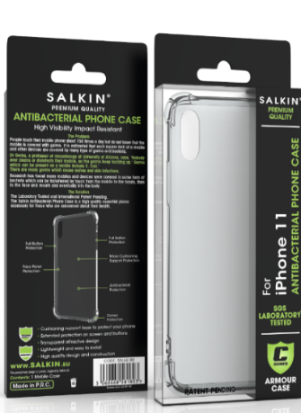 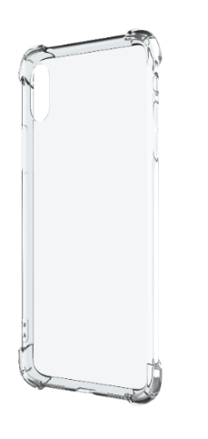 | 1. Antibacterial Protection 2.The Laboratory Tested, Patent Pending 3.Cushioning support layer to protect the phone 4.Front, back and all 4 corners protection 5.Extended protection for screen and buttons 6.Transparent and attractive design 7.Precision cut outs for charger, camera and other buttons 8.Lightweight, ideal for travel 9.High quality material 10.Easy to install | £7.99 | £79,388.64
5060668583104 | Antibacterial Range 01 Salkin Pro Armour Cover 01 iPhone 6/7/8/SE2 | 9936 |  |  | £7.99 | £79,388.64
5060668583159 | Antibacterial Range 01 Salkin Pro Armour Cover 01 iPhone 11 | 9936 |  |  | £7.99 | £79,388.64
5060668583166 | Antibacterial Range 01 Salkin Pro Armour Cover 01 iPhone 11 Pro | 9936 |  |  | £7.99 | £79,388.64
5060356790562 | iPhone 6/6s Salkin Pro White Wallet Case | 88 | 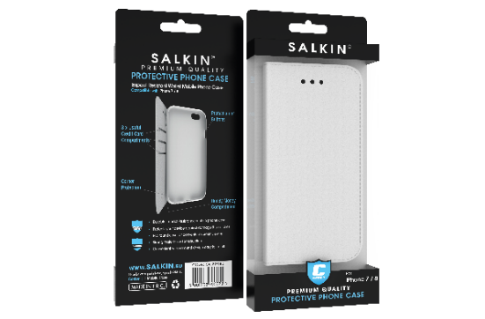 | 1.Available with and without antibacterial function 2.Durable impact resistant mobile phone case 3.High quality PU material, good fitting 4.Protection against damage and scratches 5.3 x credit card compartments 6.Handy money compartment 7.Strong material and construction 8.Easy to install | £9.99 | £879.12
5060356790623 | iPhone 7 / 8 Salkin Pro White Wallet Case | 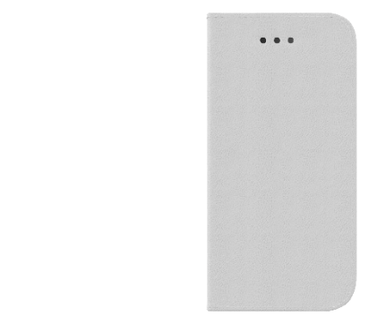 20088 |  |  | £9.99 | £200,679.12
5060356790616 | iPhone 7 Plus / 8 Plus Salkin Pro White Wallet Case | 16010 |  |  | £9.99 | £159,939.90
 |  |  | WALLET CASE BLACK |  |  | £-
5060356794171 | iPhone X / XS Salkin Pro Black Wallet Case | 16386 | 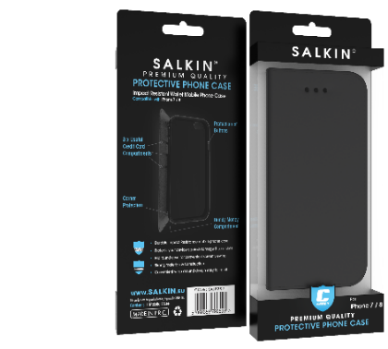 | 1.Available with and without antibacterial function 2.Durable impact resistant mobile phone case 3.High quality PU material, good fitting 4.Protection against damage and scratches 5.3 x credit card compartments 6.Handy money compartment 7.Strong material and construction 8.Easy to install | £9.99 | £163,696.14
754311502851 | iPhone 6 Salkin Pro Black Wallet Case | 90 |  |  | £9.99 | £899.10
5060356790593 | iPhone 7 / 8 Salkin Pro Black Wallet Case | 15245 |  |  | £9.99 | £152,297.55
5060356790609 | iPhone 7 Plus / 8 Plus Salkin Pro Black Wallet Case | 5418 |  |  | £9.99 | £54,125.82
 |  |  | SMALL FLORAL CASE |  |  | £-
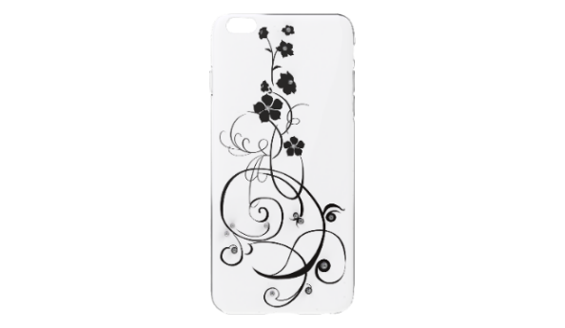
5060356792450 | iPhone 5 Salkin Pro Hard Cover Small Floral Black | 2593 | 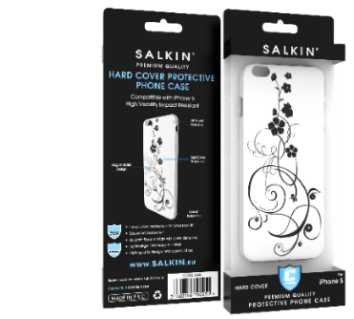 | 1.Available with and without antibacterial function 2.Hard cover Stylish and elegant design 3.Diamond with embossed flower design 4.Precision cut outs for charger, camera and other buttons 5.Fits nicely on mobile 6.High quality material 7.Easy to install | £9.99 | £25,904.07
5060356792481 | iPhone 6 Salkin Pro Hard Cover Small Floral Black | 2349 |  |  | £9.99 | £23,466.51
5060356792542 | iPhone 7 / 8 Salkin Pro Hard Cover Small Floral Black | 2510 |  |  | £9.99 | £25,074.90
5060356792573 | iPhone 7 Plus / 8 Plus Salkin Pro Hard Cover Plus Small Floral Black | 2223 |  |  | £9.99 | £22,207.77
 |  |  | PINK FLORAL CASE |  |  | £-
5060356792443 | iPhone 5 Salkin Pro Hard Cover Pink Floral Diamond | 143 | 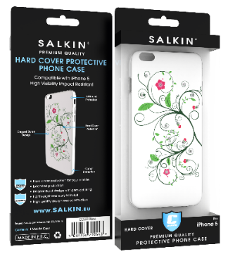 | 1.Available with and without antibacterial function 2.Hard cover Stylish and elegant design 3.Diamond with embossed flower design 4.Precision cut outs for charger, camera and other buttons 5.Fits nicely on mobile 6.High quality material 7.Easy to install | £9.99 | £1,428.57
5060356792474 | iPhone 6 Salkin Pro Hard Cover Pink Floral Diamond | 122 |  |  | £9.99 | £1,218.78
5060356792535 | iPhone 7 / 8 Salkin Pro Hard Cover Pink Floral Diamond | 107 |  |  | £9.99 | £1,068.93
 |  |  | PROFESSIONAL CAR CHARGERS |  |  | £-
5060356790982 | Salkin Pro Car Charger Black Colour 07 | 1992 | 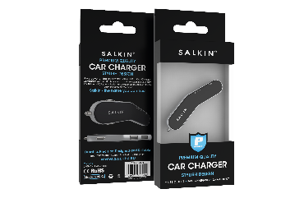 | 1. 2 USB ports 2. CE and ROHS certified 3. 2.4A output 4. High quality materials 5. 12v DV output (cigarette lighter) 6. Easy charging on the move 7. Available in black and white | £14.99 | £29,860.08
 |  |  | TINYPAD - REUSEBLE SCREEN CLEANER |  |  | £-
5060356790005 | Salkin Pro Tiny pad reuseble screen cleaner | 3936 |  | 1. Tinypad mobile phone screen cleaner 2. Safely removes fingerprints, make up, oils, keypad imprints, grime, smudges, dust, pollen, moisture, sweat 3. Premium quality soft microfiber material 4. Designed with long lasting adhesive for convenient attachment 5. Available for smart phones, iPad, tablets, laptops, desktop monitors, Sat Nav | £3.99 | £15,704.64
 |  | 570382 |  |  |  | £5,814,130.18

